Context
Common Approach developed this worksheet to assist social finance intermediaries (SFIs) in assessing whether their current data collection processes align with the Social Finance Fund (SFF) reporting requirements. By using this worksheet, SFIs can: - Compare their current data fields against the fields required for SFF reporting. - Identify when data is collected during the investment cycle, how it's collected, where it's stored and how often it's updated. - Highlight any missing data in their data collection and reporting processes. - Inform the Common Approach team about the SFI's Common Impact Data Standard adoption journey.

For additional information on the requirements of the Social Finance Fund for SFIs, visit Common Approach SFI resource page.

For additional information on the requirements of software to implement the SFF required fields, please refer to this worksheet.

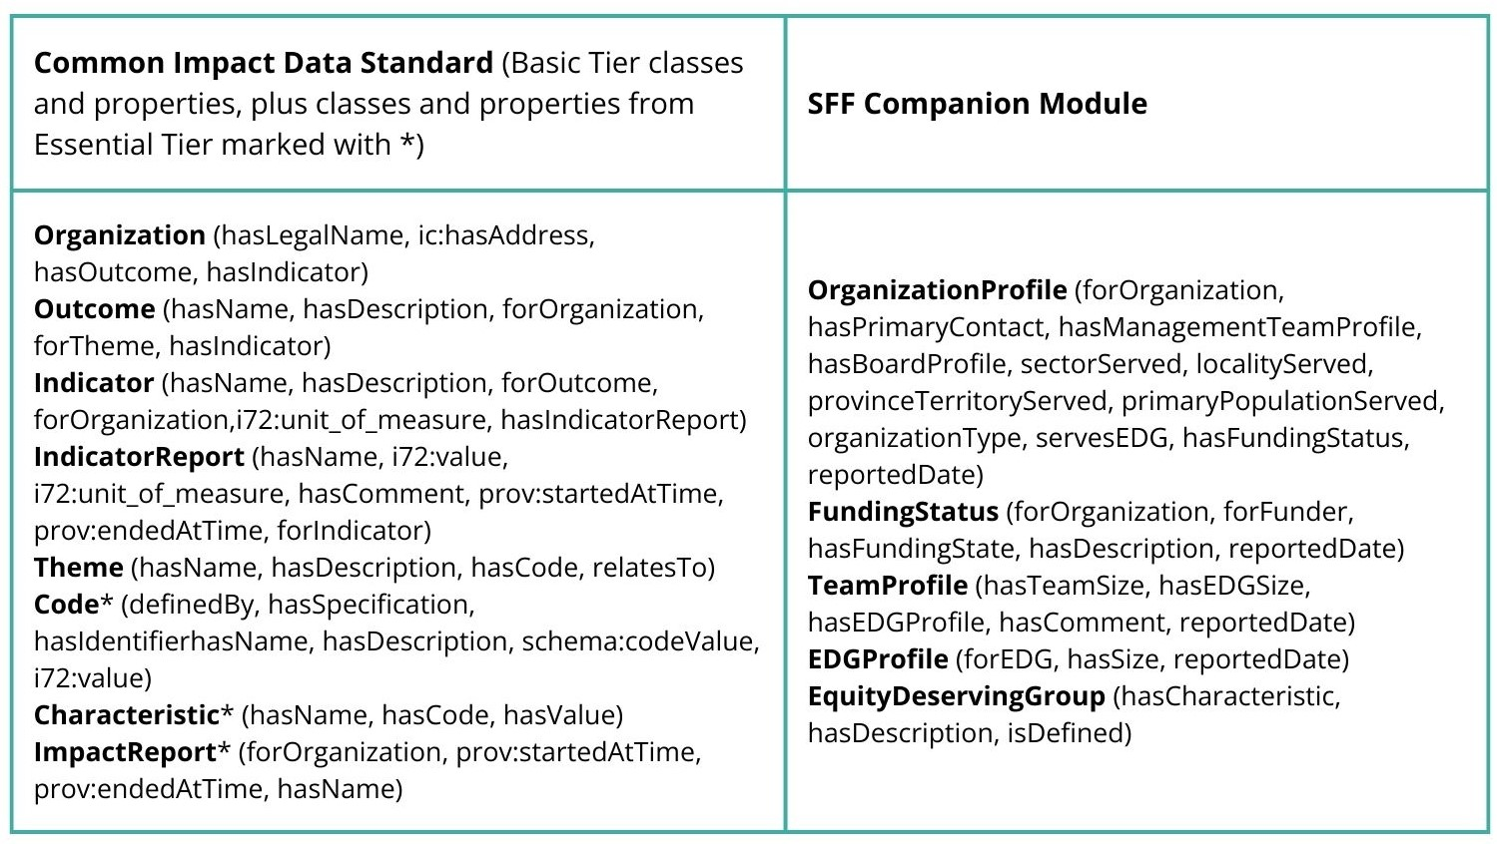
Below is a summarized version of the data requirements in software. To see the property specifics, simply unhide columns C and D on the data collection worksheet.

Please note, this is not conclusive list of all fields a software must collect in order to be considered aligned to the Common Impact Data Standard. For software alignment resources, please visit the Common Impact Data Standard page on the Common Approach website.

