0. Welcome
👋 Welcome to the Social Finance Fund (SFF) SPO (Social Purpose Organization) Reporting Template
This template supports structured impact reporting for social purpose organizations (SPOs) participating in the Social Finance Fund (SFF). It’s designed for SPOs that do not yet have a dedicated impact data system and need a simple, no-cost way to track and share required data. Each tab includes instructions on what to complete and when.

🗂️ Overview
Tab | Purpose | When to complete
1. Organization profile | Basic organizational information | Once (update if needed)
2. SELI assessment, 3. Management Team Profile, and 4. Board Profile: | Equity & demographic information | Every four years
5. Impact Framework | Key outcomes & metrics | Once (update if needed)
6. Indicator report | Annual results | Every year
SFI-specific tabs (SFI1 reporting, SFI2 reporting, SFI3 reporting) | Custom investor questions | Only if requested

🔒 Data Privacy & Consent
By submitting this template to your funder or investor, you consent to share this data with them, their wholesaler(s), and the Government of Canada. Your data is managed in accordance with the Privacy Act and other applicable privacy legislation. You retain full control—leave any field blank if you prefer not to share certain information.

🔄 Export & Interoperability
This template supports export in a format aligned with the Common Impact Data Standard, enabling structured data export and interoperability across different systems.

👉 Click here for full details on privacy, data use, and how this template and export works. 👈

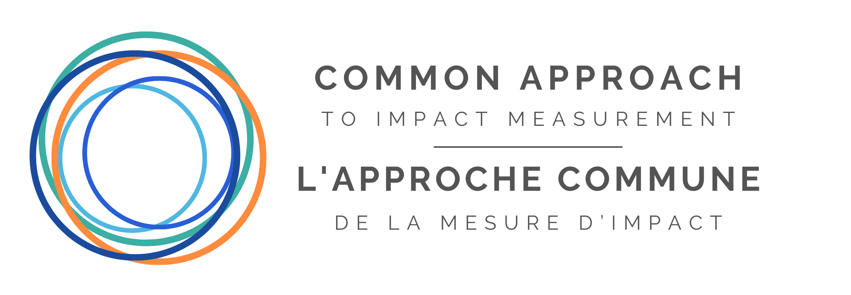
This template was developed by Common Approach to Impact Measurement, in collaboration with the Government of Canada’s ESDC and SFF wholesalers (Boann Social Impact, Cap Finance, and Realize Capital Partners).
SFF SPO Reporting Template (version 2.2 - 2026) © 2026 Common Approach to Impact Measurement. All rights reserved.

